SQL Server
 |  |  | SQL Server with Basic Azure

 |  |  |  |  |  | SQL Server 2022
 | Microsoft SQL |  |  |  |  | MS Access (Off 365) |  | Demo Training Session
 | mySQL |  |  |  |  | Basic Azure (ADF)
 | NoSQL

 |  |  |  |  | Data | Set of Information

 |  |  |  |  |  | Nature of Data

 |  |  |  |  |  | 1). Unstucutred Data | 99%
 |  |  |  |  |  | 2). Semi Stuctured Data
 |  |  |  |  |  | 3). Stuctured Data | 1%

 |  |  |  |  | Database | Collection of stuctured data

 |  |  |  |  |  | Example of Database
 |  | Excel
 |  |  |  |  |  | MS SQL,Oracle,SAP Hana,DB2,Mongo,MS Access,MySQL,Sybase,Foxpro etc
CSV/Notepad
 |  |  |  |  |  |  |  | Reports
Database Management System
Database
CRM/ERP |  |  |  |  |  |  |  |  | Analysis

 |  |  |  |  |  |  |  |  |  | Planing/Forecasting

Website/API |  |  |  |  |  | Data Retervining |  |  |  | Budgeting/Controlling
 |  |  |  |  |  | Data Inserting
 |  |  |  |  |  | Data Modeling
 |  | Json/XML File |  |  |  | Data Cleaning |  |  | Dashboard
 |  |  |  |  |  | Data Formating
 |  |  |  |  |  | Data Transaformation
 |  |  |  |  |  | Data Collection |  | Story
 |  |  |  |  |  | Data Analysis

 |  |  |  | DBMS (Database Management System)

 |  |  |  |  | DBMS | Database Management System
 |  |  |  |  |  | Ex. Foxpro,No SQL

 |  |  |  |  | RDBMS | Relational Database Management System
 |  |  |  |  |  | Ex. SQL,Oracle,MS Access,Sybase,SAP Hana,DB2 etc

 |  | HR |  |  | Finance |  |  | Operation
 |  | EmpID | DOJ |  | EmpID | Salary |  | EmpID | Productivity
 |  | 111 | 2024-07-30 |  | 111 | 46514 |  | 111 | 1
 |  | 222 | 2024-07-31 |  | 222 | 61547 |  | 222 | 97
 |  | 333 | 2024-08-01 |  | 333 | 20749 |  | 333 | 77
 |  | 444 | 2024-08-02 |  | 444 | 35803 |  | 444 | 20
 |  | 555 | 2024-08-03 |  | 555 | 20241 |  | 555 | 17
 |  | 666 | 2024-08-04 |  | 666 | 81645 |  | 666 | 12

 |  |  |  | EmPID | Salary | DOJ | Productivity
 |  |  |  | 111
 |  |  |  | 222
 |  |  |  | 333
 |  |  |  | 444
 |  |  |  | 555
 |  |  |  | 666

 |  |  |  | Why we need database ?

 |  |  |  | 1). To maintain Large Amount of data
 |  |  |  | 2). Useful for Busienss Analysis/data Analysis
 |  |  |  | 3). Use for Data Security
 |  |  |  | 4). Useful for Planning & Forecasting
 |  |  |  | 5). Easy Compatibility with diff tools
 |  |  |  | 6). Global Accessibility

 |  |  |  | Component of Database

 |  |  |  | 1). Database |  | Collection of Tables
 |  |  |  | 2). Table |  | Collection of Row & Columns
 |  |  |  | 3). Row/Record |  | Horizontal Set of Information
 |  |  |  | 4).Column/Field |  | Vertical Set of Information

 |  |  |  | Microsoft SQL Server |  | Lead Role
 |  |  |  | MS Access |  | Intermdiate Role
 |  |  |  | Microsoft Azure |  | Basic Role

 |  |  |  | Database |  | Management Requirement

 | SQL Server Introduction

 |  |  | SEQUEL | SQL | S | Stuctured
 |  |  |  |  | Q | Query
 |  |  |  |  | L | Langauge

 |  |  | User |  |  |  | User | Easy

 |  |  | User |  |  |  | System | Complex

 |  |  |  | Memory Card
 |  |  |  | Flopy Drive
 |  |  |  | CD (Compact Disk)
 |  |  |  | DVD
 |  |  |  | Pen drive
 |  |  |  | HDD
 |  |  |  | SSD
 |  |  |  | NAS (Network Attached Storage)
 |  |  |  | Server
 |  |  |  | Storage | DR Site (Data Recovery Site)

 |  |  |  | Server | To store large Amount of Information/Data

 |  |  |  | Database | Database Developer
 |  |  |  |  | Database Administrator

 |  |  |  | SQL Server | SSMS | SQL Server Management Studio
 |  |  |  |  | SSDT | SQL Server Data Tools
 |  |  |  |  |  | (MSBI - SSIS,SSRS,SSAS)

 |  |  |  | SSMS | T-SQL | Basic
 |  |  |  |  | PL SQL | Adv.

 |  |  |  | Most Active SQL Server Version

 |  |  |  | 2012
 |  |  |  | 2014
 |  |  |  | 2016 |  | Required system configuration
 |  |  |  | 2017
 |  |  |  | 2019 |  | Win10
 |  |  |  | 2021 |  | SSD
 |  |  |  | 2022 |  | 8 GB RAM
 |  |  |  | 2024

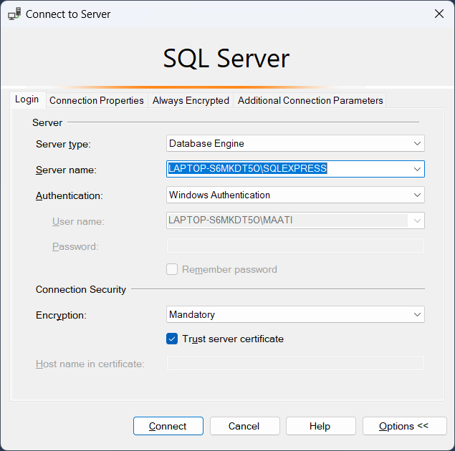

 |  |  |  |  |  |  |  | Database Engine | Query Optimization
 |  |  |  |  |  |  |  | Azure Storage | Cloud Database
 |  |  |  |  |  |  |  | Integeration Services | SSIS
 |  |  |  |  |  |  |  | Reporting Services | SSRS | SSDT
 |  |  |  |  |  |  |  | Analysis Servers | SSAS

 | Window Authentication
 | SQL Server Authentication |  |  |  |  |  |  | IP Address
 | (loginID/Password) |  |  |  |  |  |  | Server Name
 |  |  |  |  |  |  |  | System Name
 |  |  |  |  |  |  |  | UserName
 |  |  |  |  |  |  |  | .
 |  |  |  |  |  |  |  | (local)

Azure Data Factory (ADF)
AZURE data Factory

 | ETL | Extract
 |  | transform
 |  | Load

 | Types of ETL Tools

 | 1). SSIS
 | 2).Atryx
 | 3). Informatica
 | 4). Power Query
 | 5). Tableau Prep
 | etc Azure data Factory | Cloud ETL | Analysis

Connect & Collect from diff data source
Data Trasnformation
 |  |  |  | Report

 |  |  |  | Data Modeling

 |  |  |  |  | Dashbaord

 | Course Duration | 2.5 Month
 | Day | Tuesday/Thursday
 | Time | Time 8 PM to 9,39 PM
 | Every Class Video Recording | Yes
 | Question Set | 1200

 | Course Fee | Only 7000
 |  | 3500+3500
 | 7 days Institiute open
 | Class offline+Online

 | SQL Server Install->

